Policy
Exercise: Create the policy for the zone diagram given in class

 | 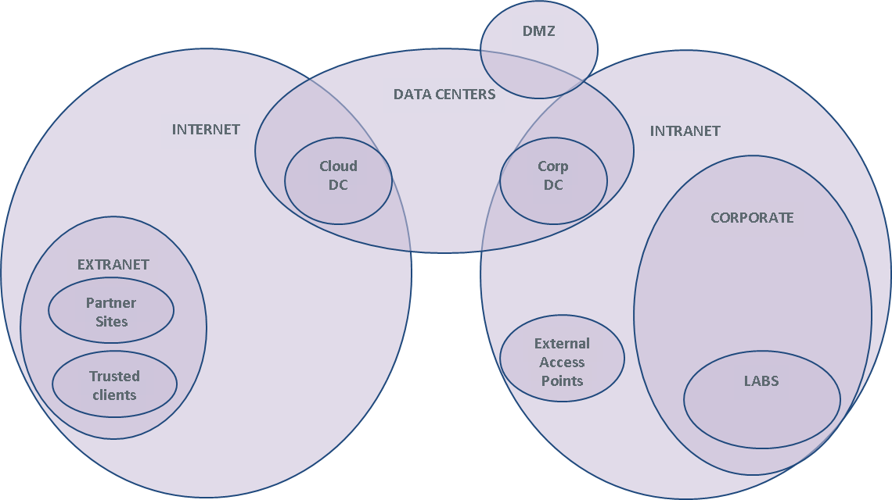

 | Specify firewall rules in the table below. Use parens, &, | as needed
 | Source, Destination: Zone names (in a real firewall, these are defined elsewhere in terms of IP addresses and interface names)
 | - Extra credit: invent user groups as sources
 | Service: protocol name, TCP/port, UDP/port
 | Action: Permit, Deny
 | Comment: explain why you think this rule makes sense.

# | Source | Destination | Service | Action | Alert | Comment
1 | Intranet | Internet | (HTTP & TCP/80) | (HTTPS & TCP/443) | Permit | No | Everyone on the Intranet is allowed to browse the Internet | Example
2 | Intranet | ??? | DNS & UDP/53 |  | No | How do you think DNS should work from the Intranet out? | Example
3 | Intranet | Internet | SMB | Deny | Yes | Do not allow file browsing over the internet, alert so we can catch the sucker. | Example
4 | Corp DC | Cloud DC | FTP | Permit | No | Connect the data centers (Corp DC, Cloud DC)
5 | Cloud DC | Corp DC | FTP | Permit | No | Connect the data centers (Corp DC, Cloud DC)
6 | Intranet | DCs | SMB | permit | No | Enable corporate workstations to share files with the DCs
7 | Internet | Intranet | HTTPS | permit | No | Enable traffic into the DMZ web server
8 | Intranet | CORP DC | SMTP |  |  | Enable the DMZ mail server
9 | Intranet | Cloud DC | SMTP |  |  | Enable the DMZ mail server
10 | Partner 1 on Internet | ? | HTTPS | ? | ? | ?
11 | Trusted client on Internet | ? | HTTPS | ? |  | ?
12 | Internet | Corp Labs | HTTPS | Deny | Yes | Protect lab servers from Internet traffic
13 | Corp DC | Corp Labs | SSH | Permit | No | Enable corporate users to access the lab machines
14 | Intranet | Extranet supplier 7 | HTTPS | Permit | No | Access an extranet partner
15 | DC Corp | internet | SSH | Permit | Yes | Backup servers
16 | Cloud Corp | internet | SSH | Permit | Yes | Backup servers
17 | Intranet | Cloud DC | RemoteDesktop | Permit | Yes | Remote desktops for corporate users
18 | Internet | Cloud DC | RemoteDesktop | Permit | Yes | Allow users to connect to their desktops from home
19 | Internet | Corp DC | VMWare control | Permit | Yes | Allow users to connect to their desktops from home
20 | Internet | Corporate Web Server | HTTPS | Deny | Yes | Internet users can browse corporate web server
21 | intranet | Corporate Web Server | SSH | Permit | Yes | Local admins can maintain the corporate web server
22 | intranet | Corporate Web Server | HTTPS | Permit | Yes | Intranet users can access corporate web server
23 | Email Server | Corp users | SMTP | Permit | Yes | Corporate users can read their mail
24 | Corp Users | Email Server | SMTP | Permit | Yes | Corporate users can send mail
25 | ? | Corporate DNS server |  |  |  | DNS server rules
26 | ? | Corporate DNS server |  |  |  | DNS server rules
27 | ? | Corporate DNS server |  |  |  | DNS server rules
28
29
30
40 | ANY | ANY | ALL | DENY | NO | Firewall policy is best done with a deny all rule at the bottom.

